Hoja1
File | Ref |  | Id | Photo
1 | LT | LI-7914 | MK 6196 | 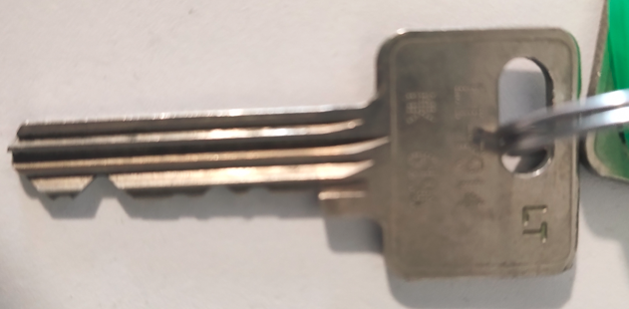
1 | LT | LI-7914 | CK 6241 | 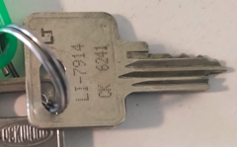
2 | BKV-9749-2880 | B646 | BMK/837 | 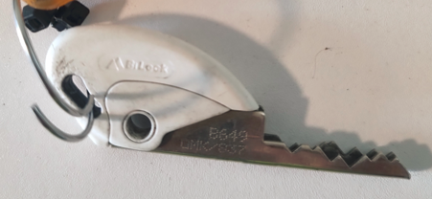
3 | LT | LI-7914 | CK-5727 | 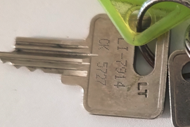
3 | LT | LI-7914 | MK 5689 | 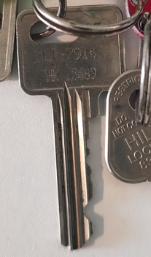
3 | CM |  | 8352-3905 | 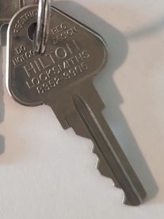
4 | LT | LI-7914 | CK 5913 | 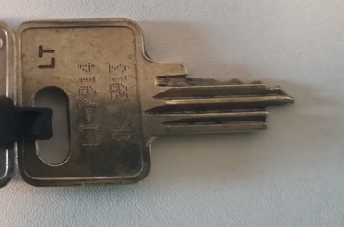
4 | LT | LI-7914 | MK 5873 | 